Bug report
Bug ID | Bug Name | Description | Steps to reproduce | Test data | Expected result | Actual result | Repro rate | Attachments | Priority | Severity

 | Situation: we have to enter valid contact email for sending contact message

BR-01 | we entered invalid email in field, and message is sent without any validation | In field for entering Contact Email we can enter any text(web address, any character or string, phone number, invalid email), and message is still sent. | 1. Open Contact pop up
 |  |  | 2. Entering required data for filing contact form
 |  |  | 3. Send contact message with invalid email | Email: 123 | Message cannot be sent because we have invalid email | Message successfully sent and we got message "Thanks for the message!!". Message is sent without any validation. | 100% |  | High | High

 | Fill contact form ID:004 failed

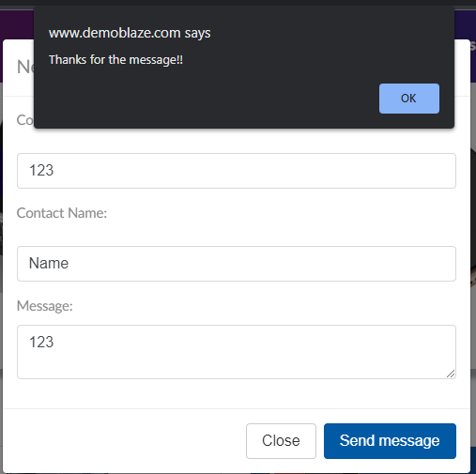
 |  |  |  |  |  | Just in case, this image below is placed here, if the quality of the image from the "Attachments" field is not satisfactory. The image in the attachment field is added in the following way: Inser > Image > Insert an image in the cell

